Habeebuddin Mir
Issue # | Task | Screen name |  | Recommendation | Priority | Heuristic Principle violated | Issue
5 | Build Profile | Build Profile | 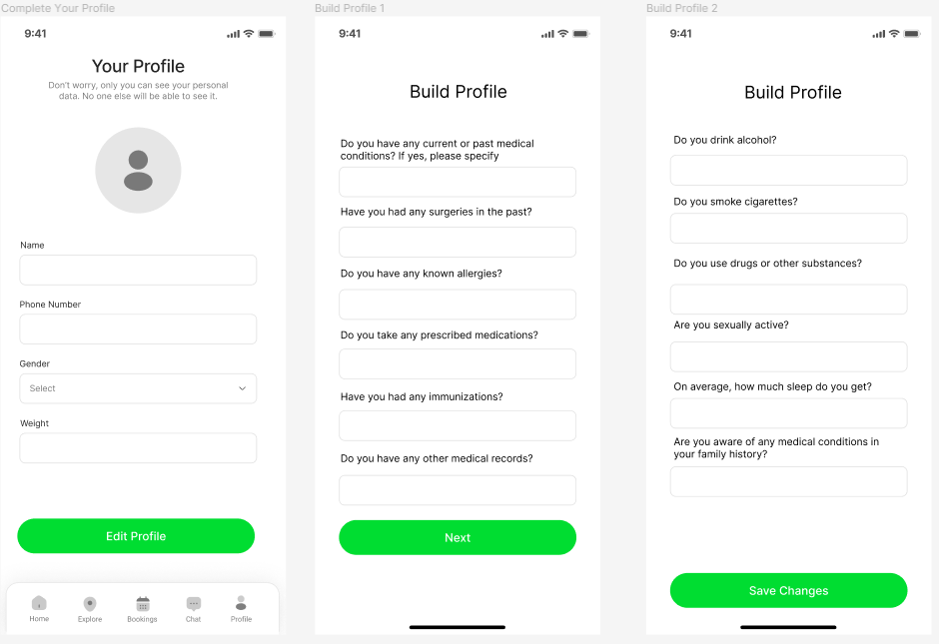 | Users of this app may be old and helpful prompts or audio/visual aids along with every question will be helpful | Low | Error prevention | Needs audio/visual aids for questions
7 | Search results | Search results | 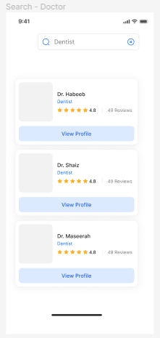 | More details like location and years of experience would help users decide which profile to explore further | Low | Flexibility & efficiency of use | The doctor cards could be more descriptive
9 | View Profile | Profile |  | Across the app, some buttons are green and others are blue. Making all of them blue or green would be nice | Low | Consistency & standards | Button colors inconsistent
10 | Search results | Search results | 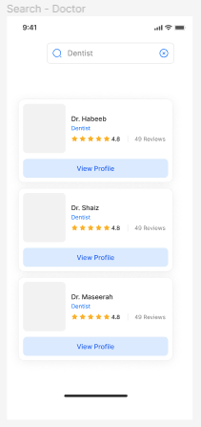 | Users should be able to have an option to book appointment directly instead of viewing a detailed profile first | Low | Flexibility & efficiency of use | Book appointment shortcut
11 | Book appointment | Book appointment | 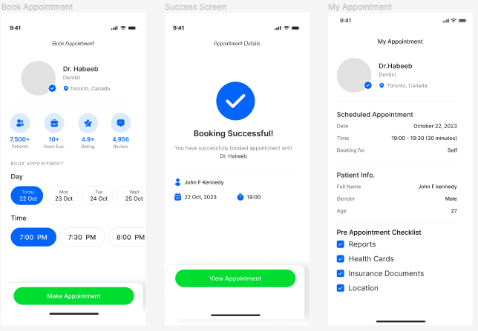 | All buttons should be synchronised and placed at the bottom of the screen | Low | Consistency & standards | Inconsistent button placement

